Sheet1
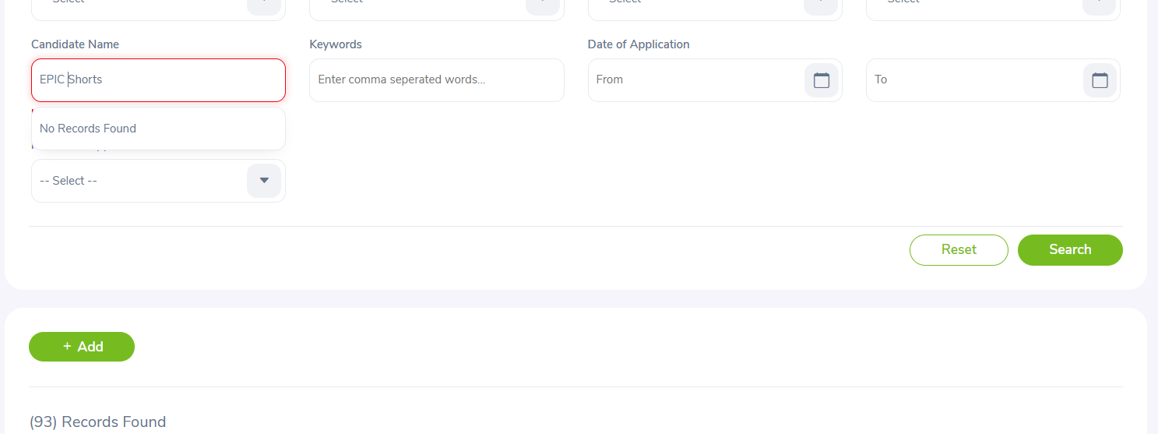
BUG-001 — Added Candidate Not Found in Search

Module: Recruitment

Test Case ID: TC-027

Bug Title: Added candidate is not displayed in candidate search results

Description:
A candidate was successfully added from the Add Candidate page. After adding the candidate, searching for the same candidate in the Candidate Search section shows “No Records Found”.

Steps to Reproduce:

1. Login to OrangeHRM.

2. Navigate to Recruitment.

3. Click Add.

4. Enter valid candidate details.

5. Click Save.

6. Go back to the Candidate Search/List section.

7. Search for the newly added candidate using the same candidate details.

Expected Result:
The newly added candidate should be displayed in the search results.

Actual Result:
“No Records Found” is displayed for the newly added candidate.

Severity: Medium

Priority: High

Status: Open

Environment: OrangeHRM Demo Website – Chrome / Desktop

Screenshot: Attach screenshot showing the search result with “No Records Found”.

